yearly_summary
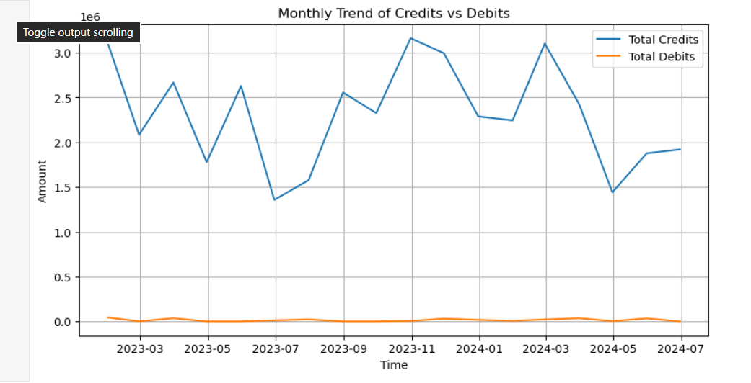
TransactionDate | Credits | Debits | Count | Net
2023 | 28517989.434 | 167805.64537 | 542 | 28350183.788
2024 | 13011409.58 | 101055.95661 | 258 | 12910353.623

